Scenario Template
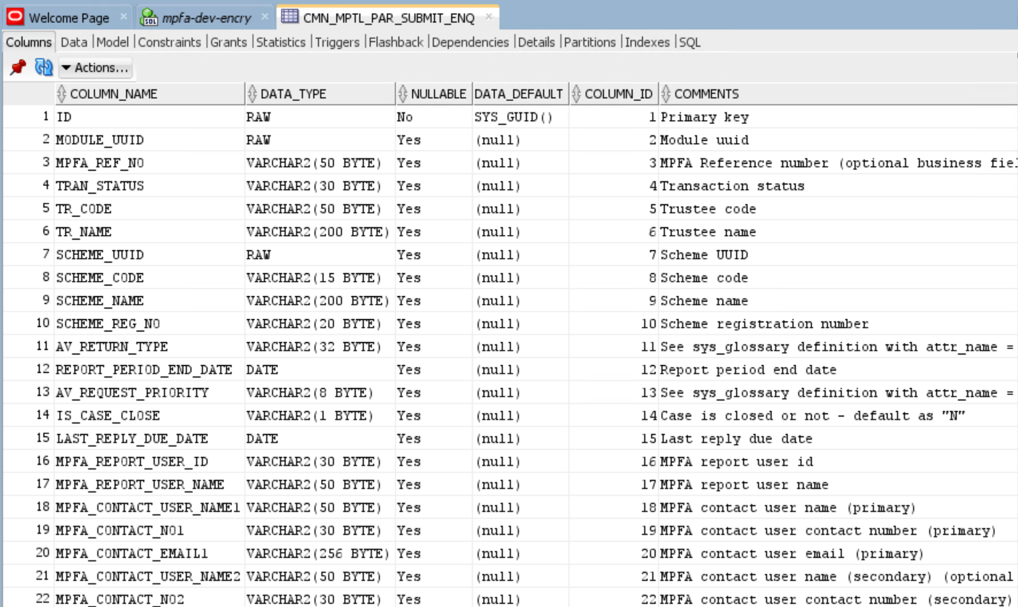
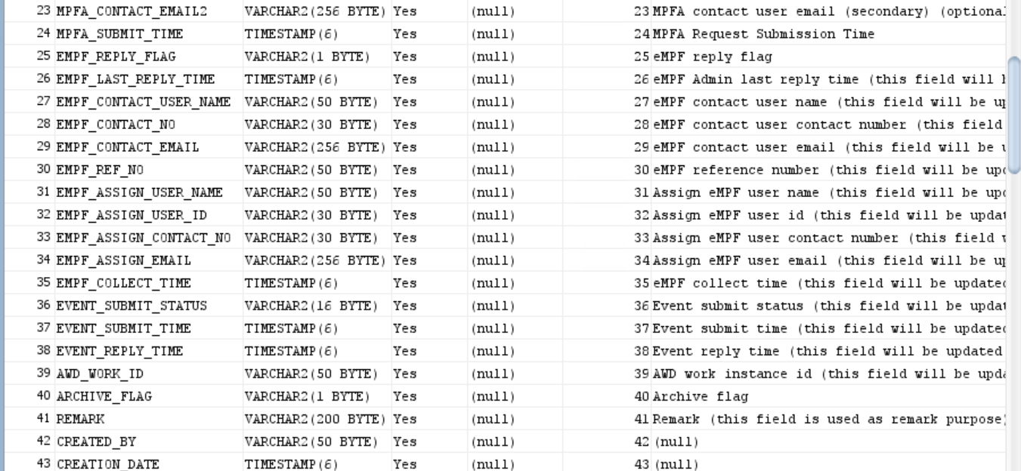
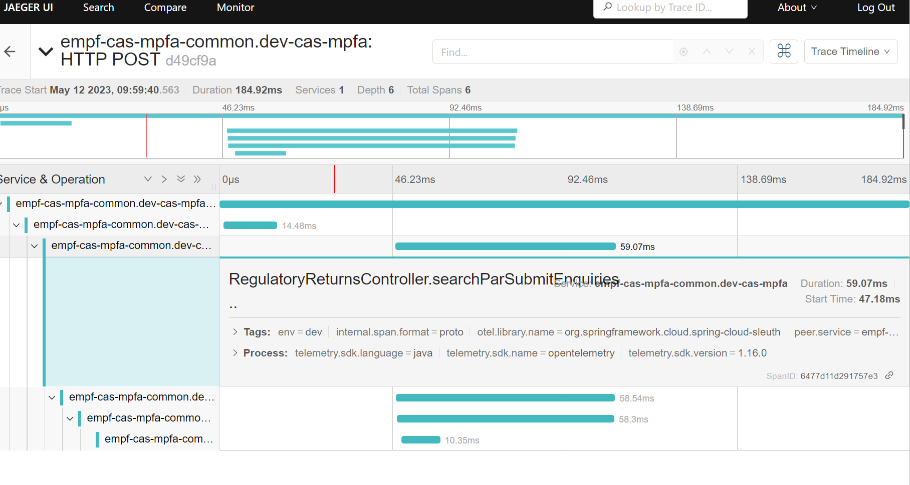
FSID | <FS_ID>
Function ID | <FUNCTION_ID>
Function Name | <FUNCTION_NAME>
Case description | Model Focus | Code Focus | Detailed description | remarks | Result | Tester | Testing Date | Reviewer | Review Date | Contents
<CASE_DESCRIPTION> | API | Input | Please refer to postman input screenshot |  | OK | <TESTER> | <TESTING DATE> | <REVIEWER> | <REVIEW_DATE>
 |  | Output | Please refer to postman output screenshot

